Preamble
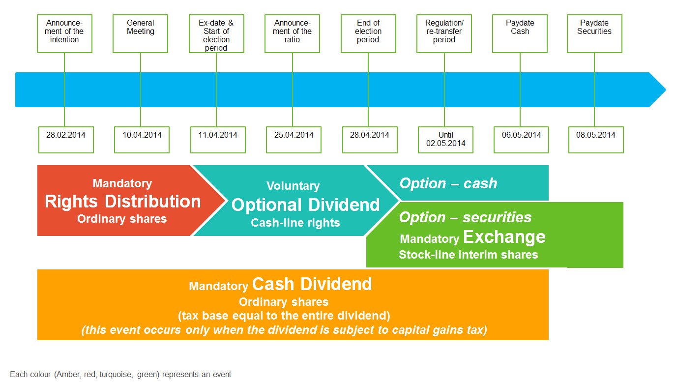
Preamble

Primary source
WM Datenservice ("WM") is the central data vendor for the German market and issues the COAF for German events.

Tender, Exchange and Repurchase Offers
Tender, exchange and repurchase offers are usually performed in two events: • An offer to the securities holder to take either cash, or securities, or both. If the offer is accepted, the underlying securities are exchanged into intermediate securities, which can be tradable. • The intermediate securities are debited and the final outcome (cash and/or securities) is credited.

Reverse Split, Split, Spin off, Bonus issue
Proceeds are usually credited in the form of non-tradable interim securities, which are immediately exchanged into the final securities. In general, cash in lieu is distributed for fractions.

OGAW IV/UCITS IV announcements
Investment Fund Management Companies ("KVG", "Kapitalverwaltungsgesellschaften") are legally required to announce certain events to the investors. Please refer to the sheet "OGAW IV" for further information on these announcements.

Record date
The record date has been implemented in Germany as of 1 January 2017, however issuers may still choose to process their events without announcing a record date, in which case the payment date will be on ex date.

Dividends Options (Reinvestment)
In Germany, optional dividends are processed by distributing rights to the investors. These rights entitle the holder to receive the cash dividend and can be exchanged into different rights, which entitle the holder to receive the stock dividend. The exchange rate from stock rights into shares is often announced during the event lifecycle. If stock rights cannot be exchanged into one full (additional) share and would result in fractional shares, banks will automatically re-exchange any such stock rights back into cash rights (essentially ensuring that the resulting shares are rounded down to the next full unit and cash in lieu is paid for fractions). Open claims resulting from the rights distribution or outstanding settlements of cash line rights will be transformed into cash settlements. There are basically two types of optional dividends. The main distinctive factor is, if the income is subject to tax or if it is tax exempt. If the income is subject to tax, there is an additional cash dividend, which is used to cover all individual-related taxes. The paydate for this additional cash dividend equals the paydate for the DVOP cash option.

